Contents
Aboriginal contacts with the Criminal Justice System by Local Government Area

January 2022 to December 2023

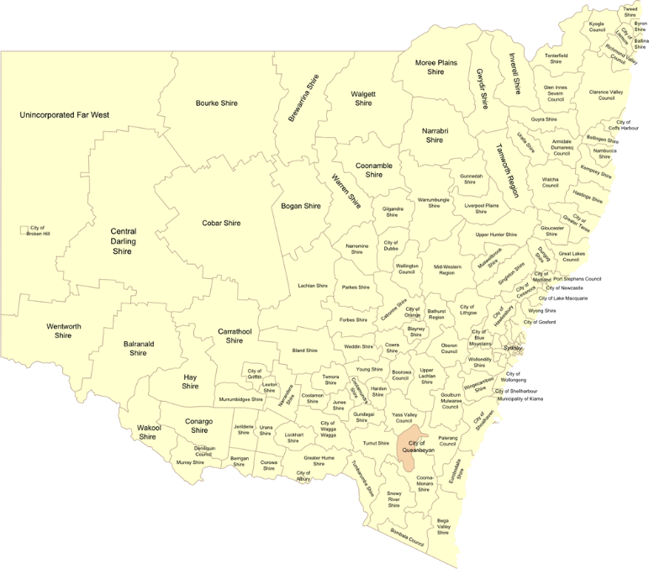
Contents | Table Number

Policing |  | 1 | Number of move-on directions and searches conducted by the NSW Police for Aboriginal people
 |  | 2 | Number of infringement notices issued to Aboriginal people

Young people |  | 3 | Number of Aboriginal young people proceeded against by the NSW Police via a Young Offenders Act diversion
 |  | 4 | Number of Aboriginal young people appearing in court
 |  | 5 | Number of Aboriginal young people in detention

Adults |  | 6 | Number of Aboriginal adults appearing in court
 |  | 7 | Number of Aboriginal adults in custody

Victimisation |  | 8 | Number of Aboriginal victims of violent crime recorded by the NSW Police Force

For further information about these and related statistics, contact the NSW Bureau of Crime Statistics on 02 8688 9800 or email bcsr@dcj.nsw.gov.au

